BUG REPORT
Defect Report
Project Name:- TUTORIALS NINJA URL: https://tutorialsninja.com/demo/ Tester: Prince Kumar Sarswat Date: 18-01-2025
Defect ID | Test Case ID | Test Scenario | Module | Test Case Description | Tester | Execution Date | Status | Comments | Priority/Severity | ScreenShot
DEF ID 001 | TC-005 | TS-005 | logo | Verify the logo link redirects to the homepage. And it is same as the website name or related so user can understand | Prince Kumar Sarswat | 2025-01-18 | Failed | logo is not as described name | 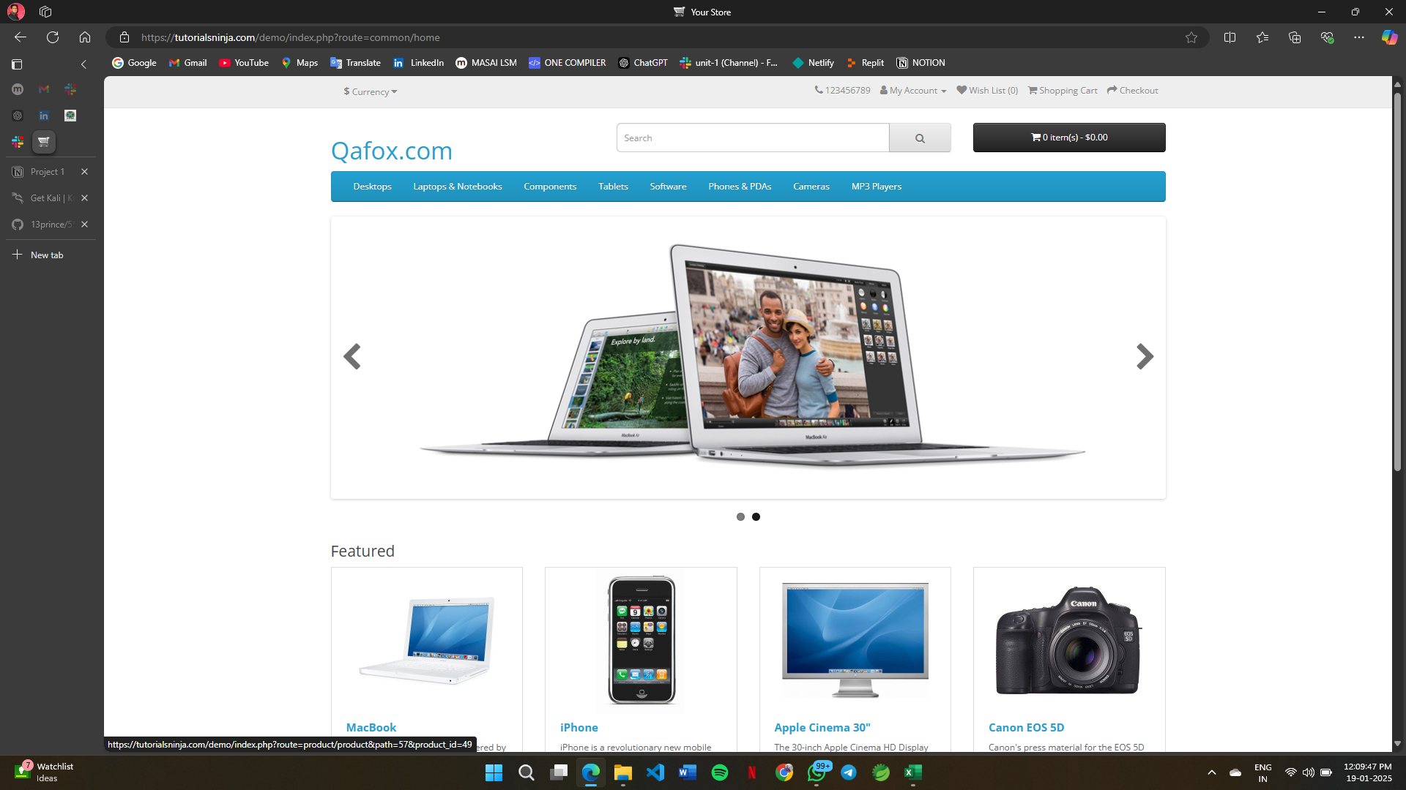 Non Critical/High
DEF ID 002 | TC-009 | TS-009 | Contact Us | verify the contact us form sends a confirmation mail to the selected mail for inquery has made with this mail | Prince Kumar Sarswat | 2025-01-18 | Failed | email not received and no any confirmation on website | Non Critical/High | 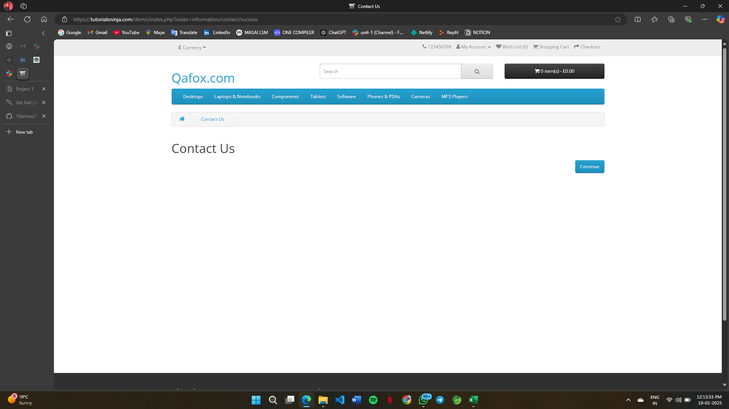
DEF ID 003 | TC-010 | TS-010 | Registration | verify new user ragistration with fake credentials | Prince Kumar Sarswat | 2025-01-18 | Failed | its should verify the email that is mentioned by OTP authentacion or other verification method | 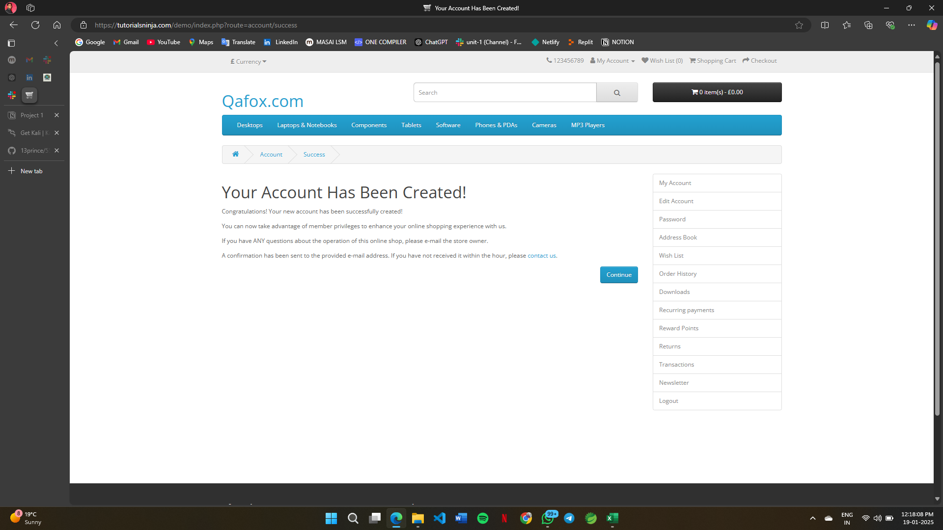 Critical/High
DEF ID 004 | TC-011 | TS-011 | Forgot Password | vefigy that forgot password page is working correctly | Prince Kumar Sarswat | 2025-01-18 | Failed | it should send a verification mail or the link to the mail to reset the password | Critical/High | 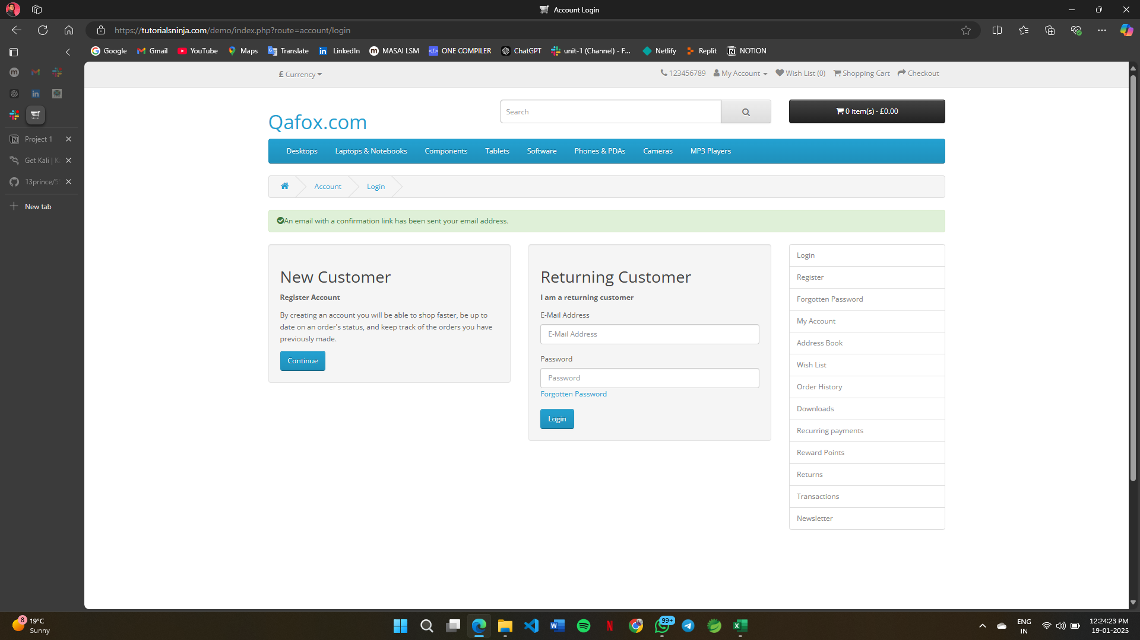
DEF ID 005 | TC-012 | TS-012 | product Descriptions | Verify the description data is correct or good for the users | Prince Kumar Sarswat | 2025-01-18 | Failed | it is no up to the mark | Critical/High | 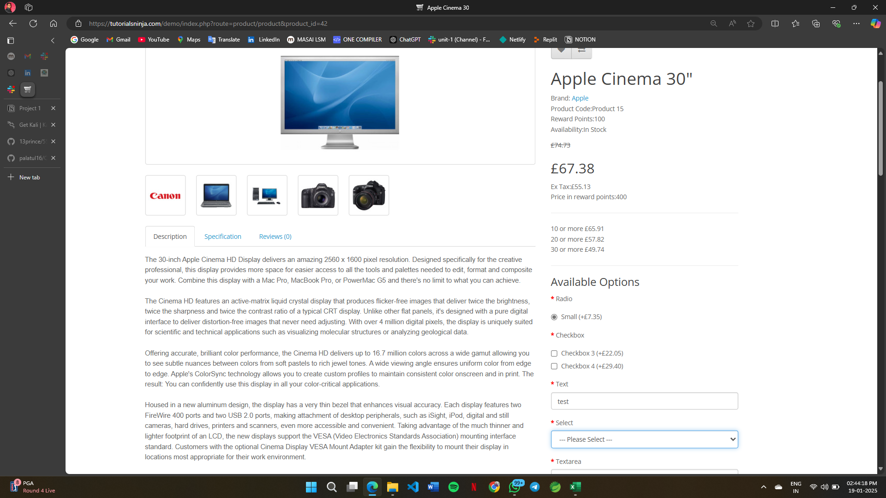
DEF ID 006 | TC-013 | TS-013 | product category selection | verify products is added to cart after selecting category | Prince Kumar Sarswat | 2025-01-18 | Failed | no any selection category is there for buying the item not able to add to the cart | Critical/High | 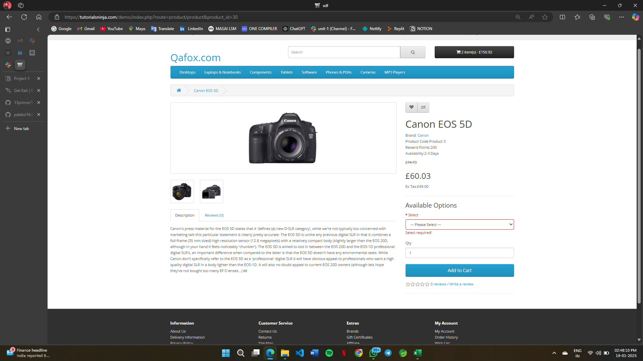
DEF ID 007 | TC-014 | TS-014 | Product comparision | Verify that the product comparision is showing the relative data | Prince Kumar Sarswat | 2025-01-18 | Failed | it is not showing the correct data it can lead to bussiness loss | Critical/High | 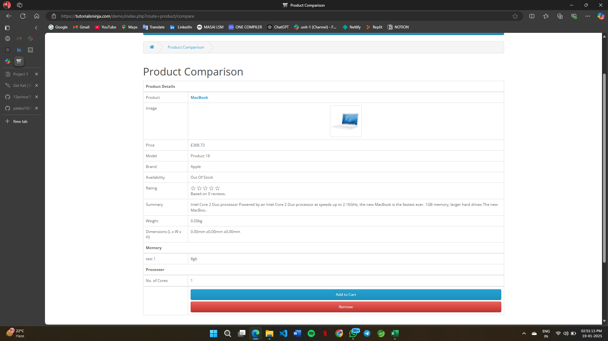
DEF ID 008 | TC-015 | TS-015 | Chekout | Verify it is smooth process for payment and checkout | Prince Kumar Sarswat | 2025-01-18 | Failed | it is redirecting to the same page only | Critical/High | 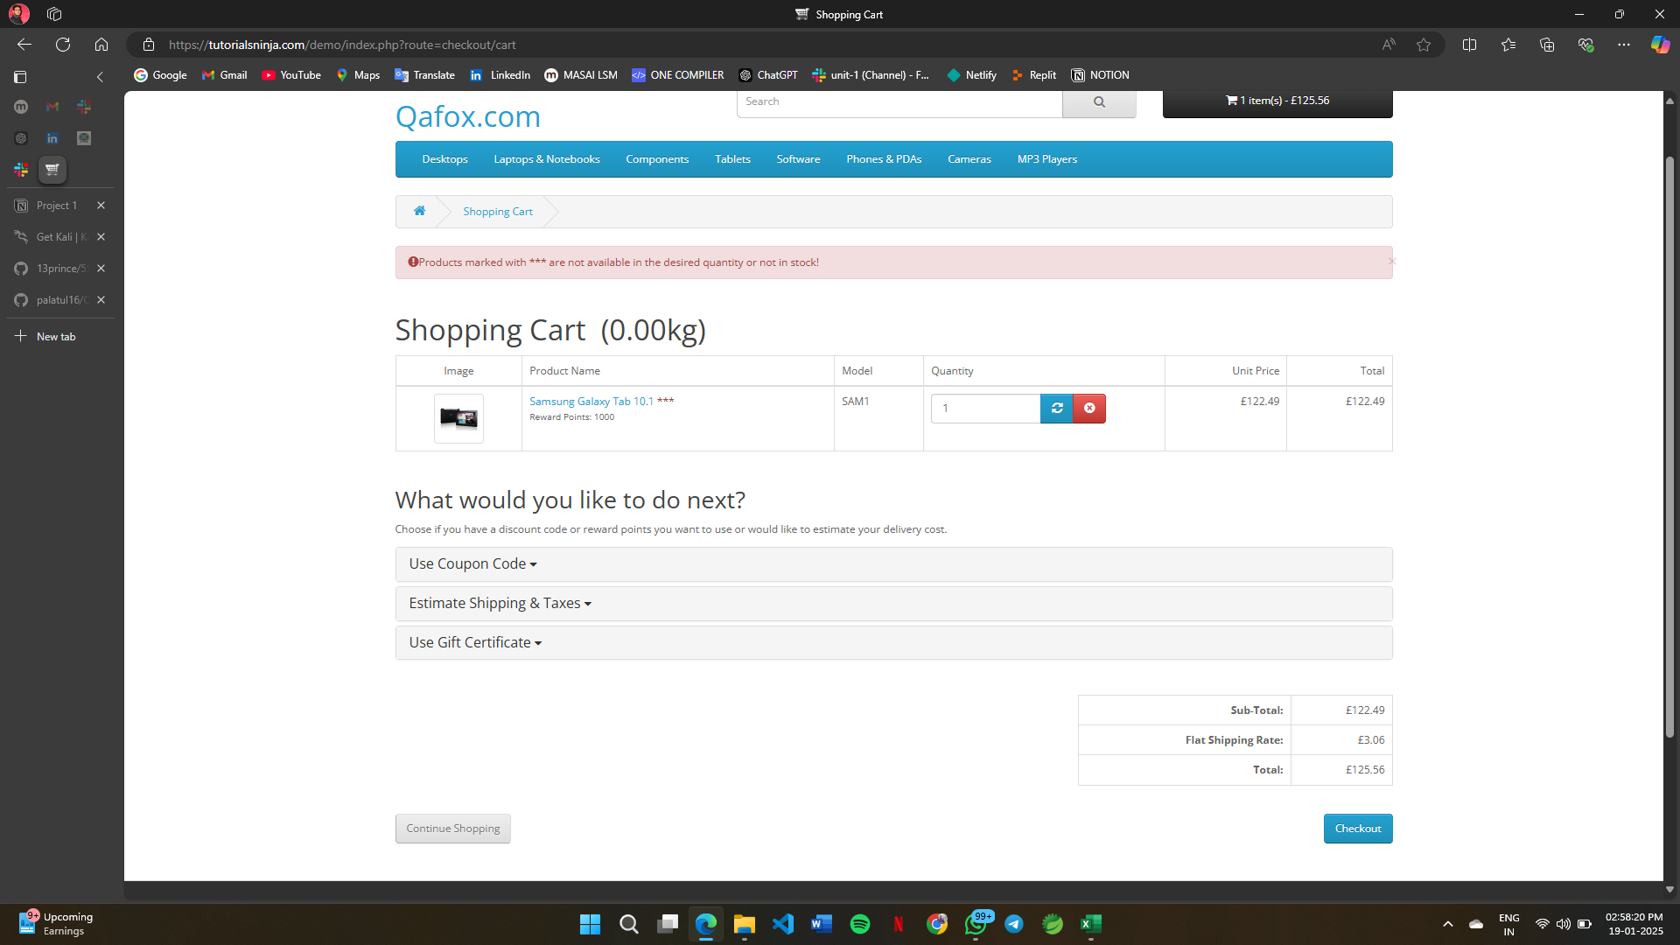
DEF ID 009 | TC-020 | TS-020 | Delievery date | verify that it is taking the availabe date or showing which date for the address can be taken | Prince Kumar Sarswat | 2025-01-18 | Failed | It should firstly on the wrong path there is clss for category there should be product category option then it is taking for the previous dates for delivery and don’t ask for the location and not showing up to mark results | Critical/High | 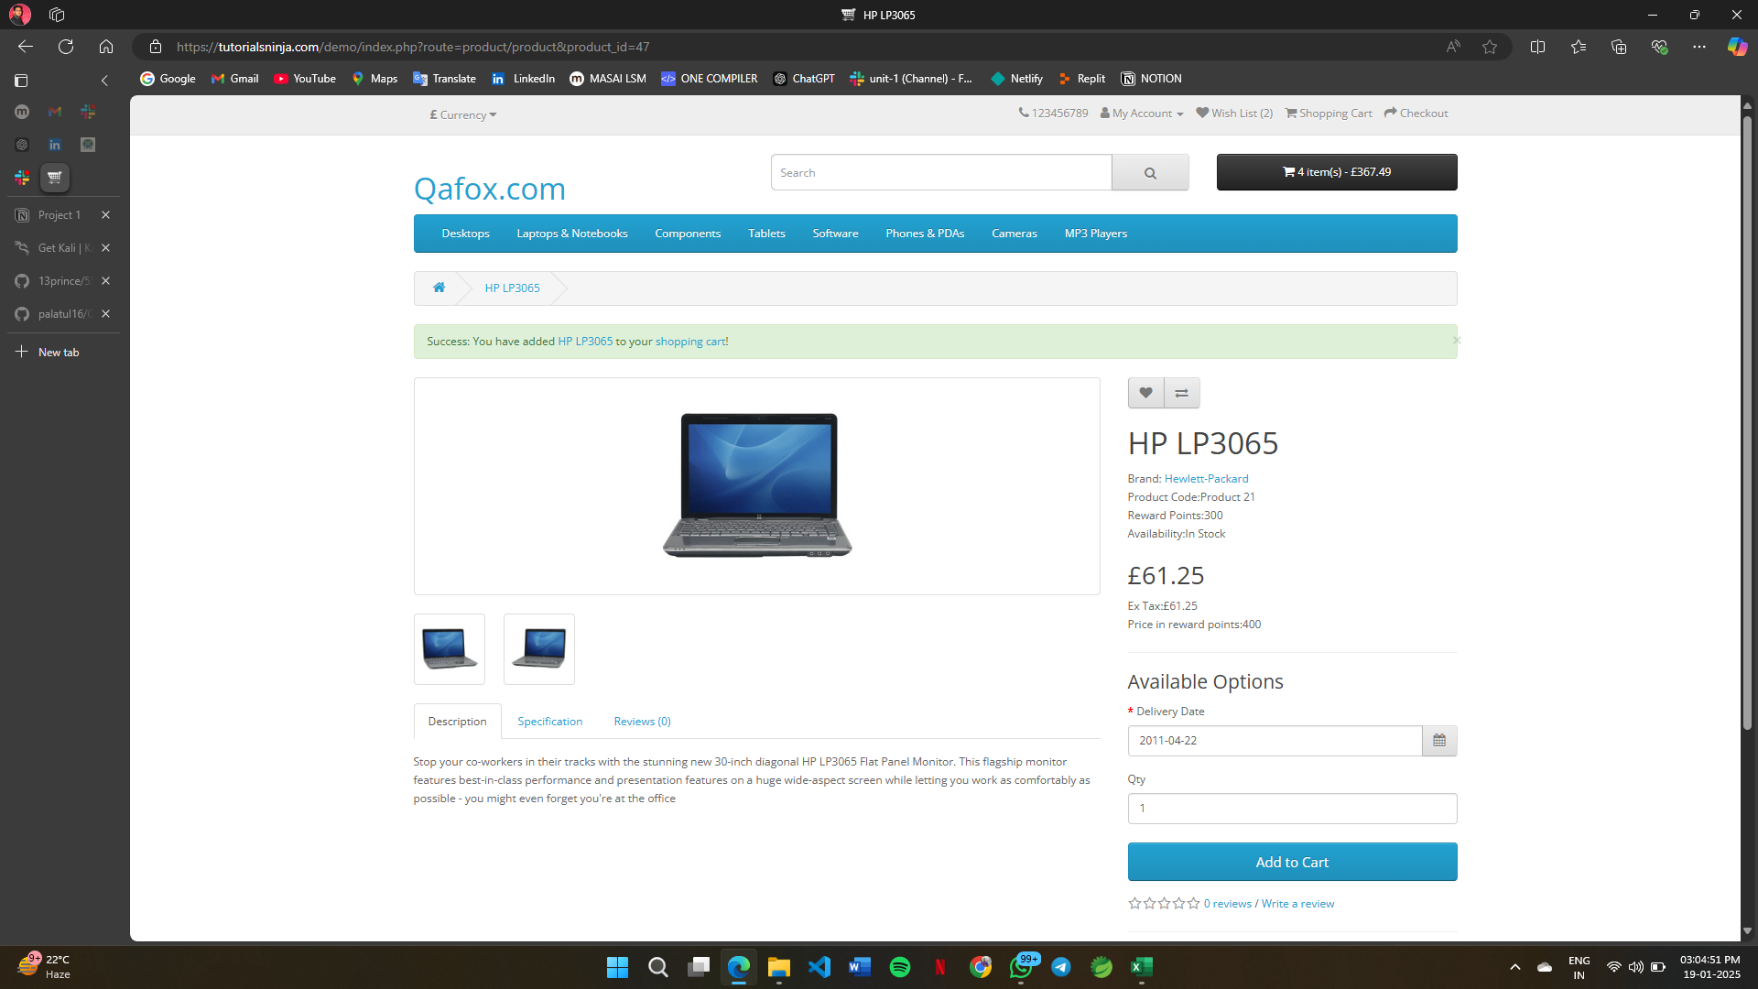
DEF ID 010 | TC-021 | TS-021 | order status | verify it is showing all correct details | Prince Kumar Sarswat | 2025-01-18 | Failed | it is showing the wrong delivery dates and details | Critical/High | 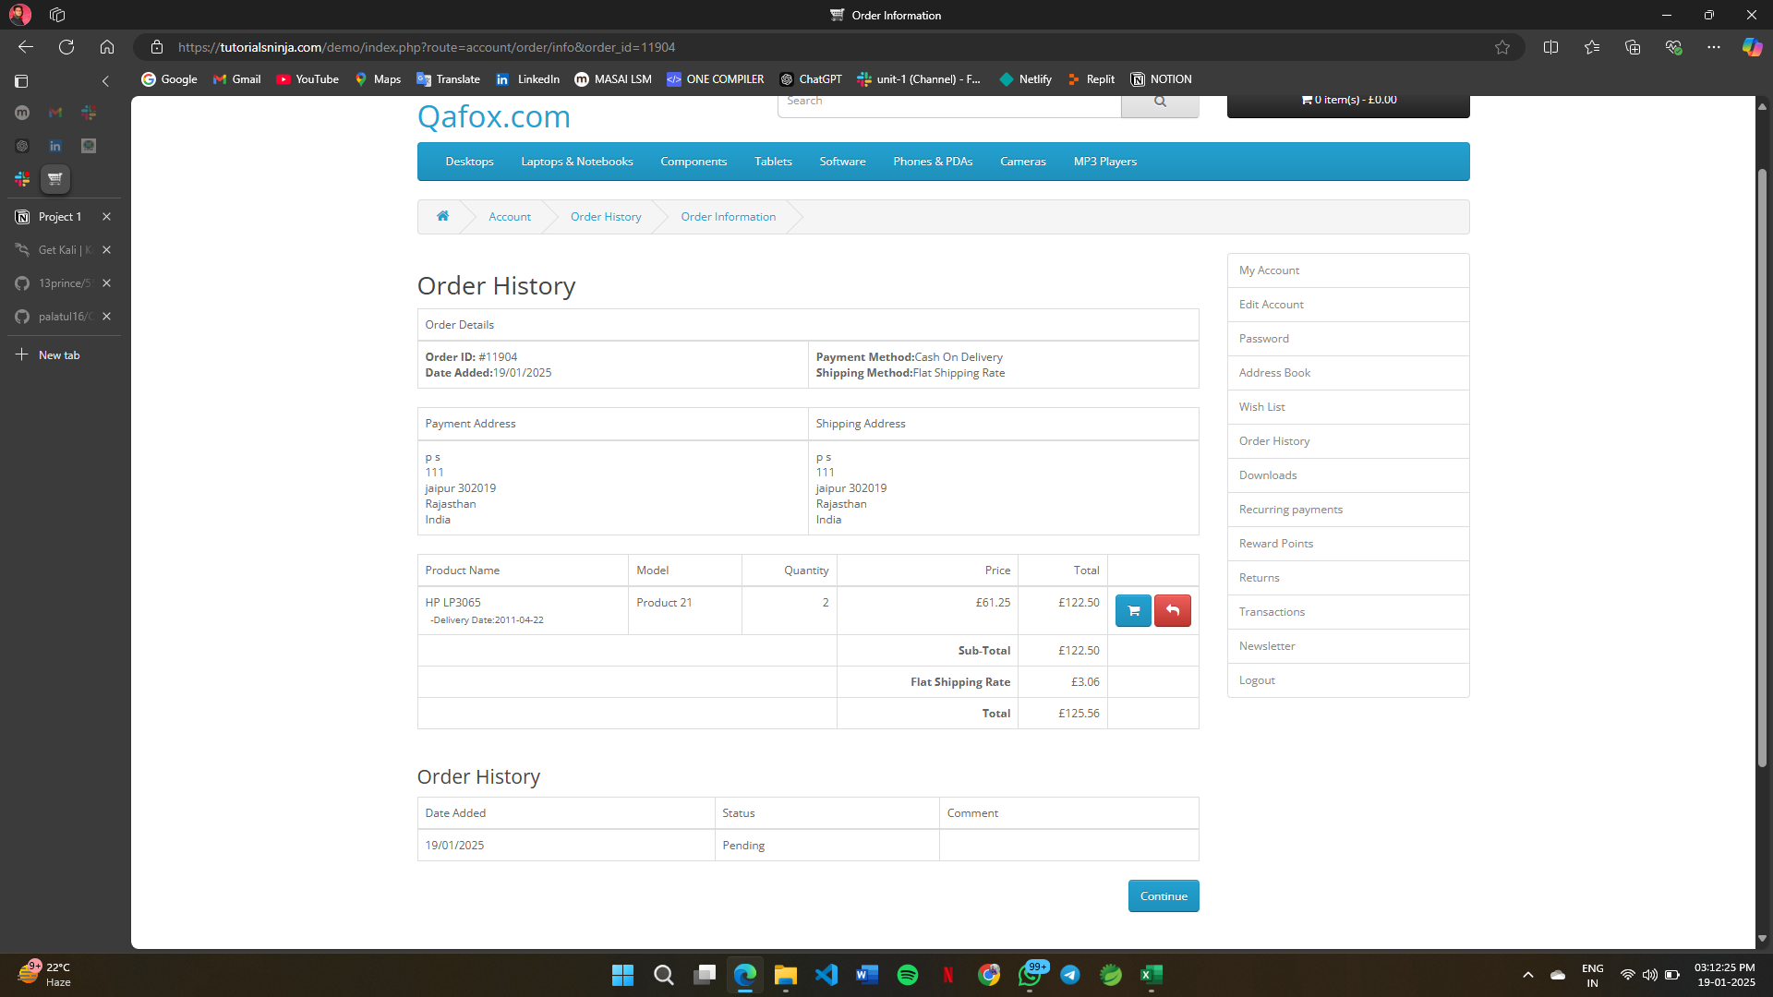
DEF ID 011 | TC-023 | TS-023 | order status | Verify the Need Help button functionality. | Prince Kumar Sarswat | 2025-01-18 | Failed | it is showing the wrong delivery dates and details | High
DEF ID 012 | TC-024 | TS-024 | order status | Verify the Need Help button functionality. | Prince Kumar Sarswat | 2025-01-18 | Failed | it is showing the wrong delivery dates and details | Low
DEF ID 013 | TC-025 | TS-025 | order status | Verify the Need Help button functionality. | Prince Kumar Sarswat | 2025-01-18 | Failed | it is showing the wrong delivery dates and details | Low
DEF ID 014 | TC-026 | TS-026 | order status | Verify the Need Help button functionality. | Prince Kumar Sarswat | 2025-01-18 | Failed | it is showing the wrong delivery dates and details | Low
DEF ID 015 | TC-027 | TS-027 | order status | Verify the Need Help button functionality. | Prince Kumar Sarswat | 2025-01-18 | Failed | it is showing the wrong delivery dates and details | High

